03 Sample Output
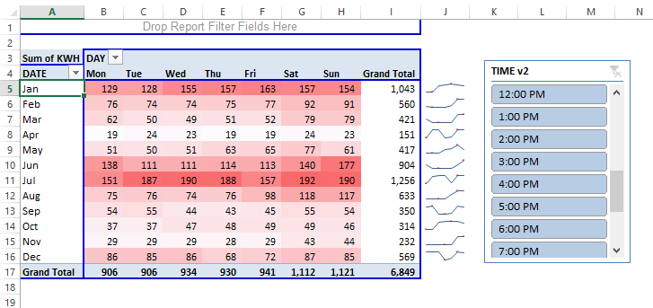
Sample Output:

